Keyword Analysis NEGATIVES
Keyword Analysis [19 documents]

Sentence number | Keyword | Sentiment | Sentiment Score
1 | upgrade | neutral | -0.249
1 | useless | negative | -0.739
1 | outdated | negative | -0.743
2 | larger | neutral | -0.249
2 | useless | negative | -0.739
2 | bloated | negative | -0.74
3 | awful | neutral | -0.221
3 | amazon | neutral | -0.249
3 | replace | negative | -0.615
3 | limited | negative | -0.736
3 | inferior | negative | -0.991
4 | full | positive | 0.732
4 | spoken | neutral | -0.249
4 | downloaded | neutral | -0.25
4 | rude | negative | -0.737
4 | disgusted | negative | -0.992
4 | appalling | negative | -0.994
5 | rubbish | negative | -0.683
5 | unreliable | negative | -0.993
6 | poor | negative | -0.74
6 | unable | negative | -0.743
7 | other | neutral | -0.249
8 | blue | neutral | -0.247
8 | throw | neutral | -0.25
9 | dissapointed | negative | -0.69
9 | poor | negative | -0.74
9 | unable | negative | -0.743
10 | freezing | negative | -0.588
10 | useless | negative | -0.739
10 | outdated | negative | -0.743
11 | allow | neutral | 0.25
11 | blocked | neutral | -0.249
12 | slowest | negative | -0.64
12 | restrictive | negative | -0.738
12 | worst | negative | -0.993
13 | unusable | neutral | -0.144
14 | hang | neutral | -0.193
14 | different | neutral | -0.249
14 | break | neutral | -0.249
14 | other | neutral | -0.249
14 | stop | neutral | -0.25
14 | steal | negative | -0.693
15 | useless | negative | -0.739
15 | bloated | negative | -0.74
16 | better | positive | 0.989
16 | happy | positive | 0.987
16 | give | positive | 0.732
16 | think | neutral | 0.25
16 | select | neutral | 0.25
16 | imagine | neutral | -0.25
16 | fill | neutral | -0.25
16 | stay | neutral | -0.25
16 | strange | negative | -0.729
16 | disappointed | negative | -0.734
16 | cant | negative | -0.739
16 | useless | negative | -0.739
16 | difficult | negative | -0.741
16 | mediocre | negative | -0.742
17 | decent | positive | 0.743
17 | okay | neutral | 0.243
17 | crazy | neutral | -0.233
17 | little | neutral | -0.247
17 | wont | neutral | -0.248
17 | return | neutral | -0.25
17 | cold | negative | -0.737
17 | lagging | negative | -0.743
18 | happy | positive | 0.987
18 | switch | neutral | -0.25

Total Keywords | 68
Positives | 6
Neutrals | 28
Negatives | 34

Keyword Analysis POSITIVES
Keyword Analysis [19 documents]

Sentence number | Keyword | Sentiment | Sentiment Score
1 | great | positive | 0.994
1 | surprised | positive | 0.744
1 | easy | neutral | 0.216
2 | good | positive | 0.74
2 | pleased | positive | 0.704
2 | weekly | neutral | 0.25
2 | look | neutral | 0.249
2 | simple | neutral | 0.243
2 | quick | neutral | 0.242
2 | easier | neutral | 0.17
3 | great | positive | 0.994
3 | slick | positive | 0.743
3 | ideal | positive | 0.743
3 | lovely | positive | 0.741
3 | good | positive | 0.74
3 | fine | positive | 0.736
3 | free | positive | 0.729
3 | find | neutral | 0.25
3 | carry | neutral | 0.25
3 | wanted | neutral | 0.249
3 | expect | neutral | -0.25
3 | listen | neutral | -0.25
3 | cheap | negative | -0.962
4 | great | positive | 0.994
4 | good | positive | 0.74
5 | great | positive | 0.994
5 | basic | neutral | 0.249
6 | amazing | positive | 0.995
6 | powerful | positive | 0.993
6 | affordable | positive | 0.636
7 | great | positive | 0.994
7 | easy | neutral | 0.216
8 | glad | positive | 0.744
8 | popular | positive | 0.744
8 | solid | positive | 0.743
8 | sharp | positive | 0.741
8 | good | positive | 0.74
8 | nice | positive | 0.738
8 | bright | positive | 0.738
8 | micro | neutral | 0.25
8 | small | neutral | 0.249
8 | light | neutral | 0.246
8 | quick | neutral | 0.242
8 | compact | neutral | 0.173
9 | great | positive | 0.994
10 | good | positive | 0.74
11 | best | positive | 0.996
11 | decent | positive | 0.743
11 | good | positive | 0.74
11 | installed | neutral | 0.249
11 | light | neutral | 0.246
12 | good | positive | 0.74
12 | free | positive | 0.729
12 | fantastic | positive | 0.714
12 | fabulous | positive | 0.667
12 | carry | neutral | 0.25
12 | easy | neutral | 0.216
13 | elegant | positive | 0.995
13 | wonderful | positive | 0.742
13 | good | positive | 0.74
13 | basic | neutral | 0.249
13 | smooth | neutral | 0.214
14 | perfect | positive | 0.994
15 | lift | positive | 0.745
15 | carry | neutral | 0.25
15 | light | neutral | 0.246
15 | only | neutral | -0.248
15 | restrict | negative | -0.712
16 | love | positive | 0.994
16 | fine | positive | 0.736
16 | overseas | neutral | 0.249
16 | faster | neutral | 0.222
16 | downloaded | neutral | -0.25
17 | good | positive | 0.74
17 | real | positive | 0.738
17 | fine | positive | 0.736
17 | complete | positive | 0.736
17 | cool | positive | 0.728
17 | recommend | positive | 0.716
17 | extend | neutral | 0.249
17 | automated | neutral | 0.249
17 | move | neutral | 0.249
17 | suprising | neutral | 0.249
17 | basic | neutral | 0.249
17 | nervous | negative | -0.734
18 | excellent | positive | 0.997
18 | great | positive | 0.994
18 | ideal | positive | 0.743
18 | want | neutral | 0.25
18 | aware | neutral | 0.25
18 | basic | neutral | 0.249
18 | much | neutral | -0.249
18 | uninstall | neutral | -0.25
19 | good | positive | 0.74
19 | sign | positive | 0.74
19 | able | positive | 0.732
19 | free | positive | 0.729
19 | pleased | positive | 0.704
19 | access | neutral | 0.25
19 | basic | neutral | 0.249
19 | external | neutral | -0.25
19 | additional | neutral | -0.25
19 | gaming | neutral | -0.25
19 | laggy | negative | -0.733
19 | slow | negative | -0.737

Total Keywords | 105
Positives | 55
Neutrals | 45
Negatives | 5

Word Cloud POSITIVES
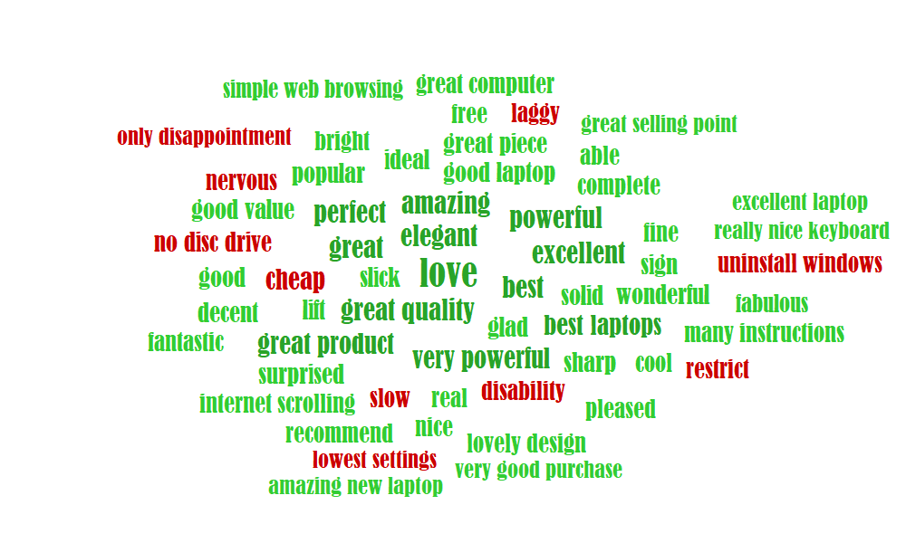

* Word size is driven by its sentiment and number of occurrences, it contains Keywords, Themes and Entities (this can be turned on/off selectively). You can also further configure the word cloud in 'Service Settings'

Word Cloud NEGATIVES
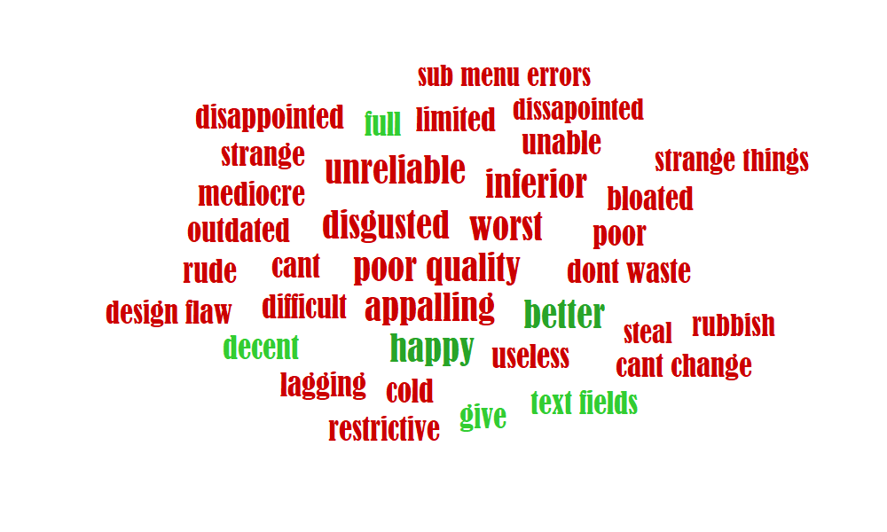

* Word size is driven by its sentiment and number of occurrences, it contains Keywords, Themes and Entities (this can be turned on/off selectively). You can also further configure the word cloud in 'Service Settings'

Summary Report NEGATIVES
Summary Report [19 documents]

Sentiment | Total |  | Auto Categories [min. strength 0,30] | Total | Positives | Neutrals | Negatives | User Categories [min. strength 0,10] | Total | Positives | Neutrals | Negatives
Positive | 0 |  | Technology & Computing/ Computing/ Computer Software & Applications | 13 | 0 | 0 | 13 | OK | 19 | 0 | 0 | 19
Neutral | 0 |  | Technology & Computing/ Consumer Electronics | 2 | 0 | 0 | 2 | slang | 2 | 0 | 0 | 2
Negative | 19 |  | Business and Finance | 1 | 0 | 0 | 1 | Sum | 21
Sum | 19 |  | Technology & Computing/ Consumer Electronics/ Smartphones | 1 | 0 | 0 | 1
 |  |  | Sum | 17
User Categories

Auto Categories

Thematic Analysis (all occurrences) |  |  |  | Entity Analysis (all occurrences)
text fields | positive | 0.719 |  | ORGANIZATION | Microsoft | positive | 0.525
microsoft app shop | positive | 0.525 |  | ORGANIZATION | Microsoft | negative | -0.541
whole word like it | positive | 0.517 |  | ORGANIZATION | Microsoft Store | negative | -0.541
my money back | negative | -0.482 |  | ORGANIZATION | Lenovo | negative | -0.619
v ery poor product | negative | -0.509
i hate bing | negative | -0.51
piece of junk | negative | -0.515
quality it's bad | negative | -0.516
its really bad i wish | negative | -0.516
this little piece of crap | negative | -0.522
very limited thanks | negative | -0.538
awful microsoft store | negative | -0.541
this rubbish | negative | -0.559
complete waste | negative | -0.575
waste of money | negative | -0.575
extremely rude technician | negative | -0.593
just a disgrace | negative | -0.626
reboot without luck | negative | -0.632
worst search engine | negative | -0.637
sub menu errors | negative | -0.653
really outdated windows | negative | -0.668
design flaw | negative | -0.683
cant change | negative | -0.694
strange things | negative | -0.697
dont waste | negative | -0.744
poor quality | negative | -0.993

Summary Report POSITIVES
Summary Report [19 documents]

Sentiment | Total |  | Auto Categories [min. strength 0,30] | Total | Positives | Neutrals | Negatives | User Categories [min. strength 0,10] | Total | Positives | Neutrals | Negatives
Positive | 19 |  | Technology & Computing/ Computing/ Computer Software & Applications | 7 | 7 | 0 | 0 | OK | 21 | 21 | 0 | 0
Neutral | 0 |  | Technology & Computing/ Consumer Electronics | 4 | 4 | 0 | 0 | slang | 3 | 3 | 0 | 0
Negative | 0 |  | Office & School Products | 1 | 1 | 0 | 0 | Sum | 24
Sum | 19 |  | Sum | 12

Auto Categories
User Categories

Thematic Analysis (all occurrences) |  |  |  | Entity Analysis (all occurrences)
great quality | positive | 0.992 |  | ORGANIZATION | Lenovo | positive | 0.588
great product | positive | 0.974 |  | ORGANIZATION | Intel Pentium | positive | 0.588
very powerful | positive | 0.968 |  | ORGANIZATION | Acer | positive | 0.553
best laptops | positive | 0.89 |  | ORGANIZATION | MS Office | positive | 0.534
good value | positive | 0.746 |  | ORGANIZATION | SSD | positive | 0.488
good laptop | positive | 0.743
great piece | positive | 0.736
internet scrolling | positive | 0.734
lovely design | positive | 0.712
great computer | positive | 0.706
simple web browsing | positive | 0.68
many instructions | positive | 0.672
linux distribution | positive | 0.62
really nice keyboard | positive | 0.612
solid 6 hours and charges | positive | 0.611
solid metal body | positive | 0.596
bright sharp screen | positive | 0.592
decent screen | positive | 0.591
otherwise good computer | positive | 0.589
lot of people | positive | 0.586
silent very compact runs | positive | 0.585
great size | positive | 0.57
amazing new laptop | positive | 0.57
good battery life | positive | 0.569
lot overseas suites suits | positive | 0.565
our weekly online shop | positive | 0.563
great selling point | positive | 0.552
very good purchase | positive | 0.552
excellent laptop | positive | 0.552
good size keys | positive | 0.541
purpose & basic needs | positive | 0.527
only drawback | negative | -0.571
only disappointment | negative | -0.626
lowest settings | negative | -0.648
uninstall windows | negative | -0.71
disability | negative | -0.739
no disc drive | negative | -0.739

